Daily Power Station Chart_14-01
Plant_21/07/2025Chart

Plant:odco1 |  |  | Installed Capacity:111.180kWp
Today Yield(kWh):588.200kWh |  | Today Earning:235280.000TND |  | Today Full Load Hours(h):5.29h

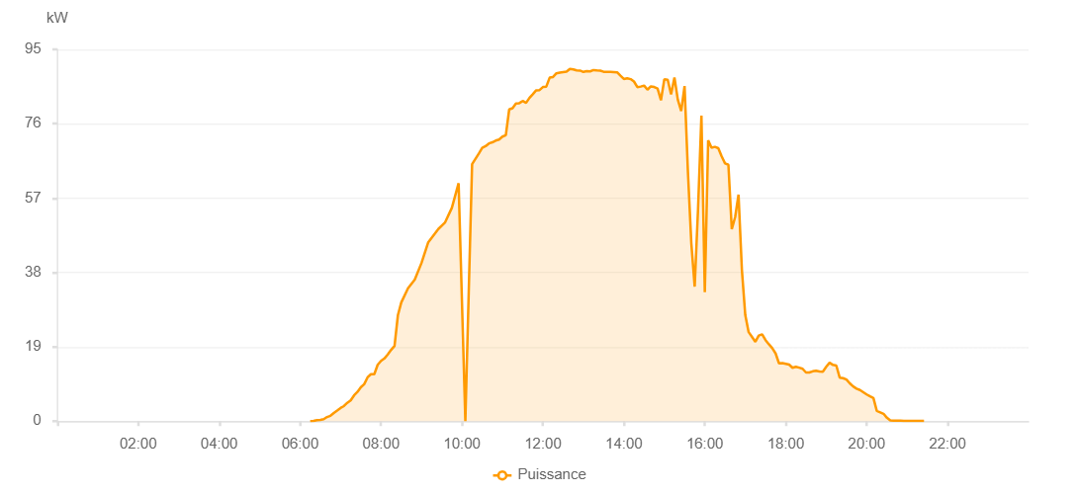

Number | Time | Working State | PV(W) | Instantaneous Radiation(W/㎡)
1 | 06:15:00 | Online | 30.00000 | 0
2 | 06:20:00 | Online | 40.00000 | 0
3 | 06:25:00 | Online | 230.00000 | 0
4 | 06:30:00 | Online | 340.00000 | 2.00000
5 | 06:35:00 | Online | 500.00000 | 5.00000
6 | 06:40:00 | Online | 1060.00000 | 9.00000
7 | 06:45:00 | Online | 1370.00000 | 13.00000
8 | 06:50:00 | Online | 2100.00000 | 18.00000
9 | 06:55:00 | Online | 2730.00000 | 27.00000
10 | 07:00:00 | Online | 3370.00000 | 35.00000
11 | 07:05:00 | Online | 3860.00000 | 43.00000
12 | 07:10:00 | Online | 4680.00000 | 52.00000
13 | 07:15:00 | Online | 5310.00000 | 64.00000
14 | 07:20:00 | Online | 6580.00000 | 77.00000
15 | 07:25:00 | Online | 7450.00000 | 91.00000
16 | 07:30:00 | Online | 8650.00000 | 105.00000
17 | 07:35:00 | Online | 9440.00000 | 119.00000
18 | 07:40:00 | Online | 11190.00000 | 137.00000
19 | 07:45:00 | Online | 12000.00000 | 152.00000
20 | 07:50:00 | Online | 12000.00000 | 168.00000
21 | 07:55:00 | Online | 14390.00000 | 182.00000
22 | 08:00:00 | Online | 15420.00000 | 202.00000
23 | 08:05:00 | Online | 16010.00000 | 220.00000
24 | 08:10:00 | Online | 17030.00000 | 239.00000
25 | 08:15:00 | Online | 18220.00000 | 258.00000
26 | 08:20:00 | Online | 19230.00000 | 278.00000
27 | 08:25:00 | Online | 27080.00000 | 296.00000
28 | 08:30:00 | Online | 30330.00000 | 333.00000
29 | 08:40:00 | Online | 33960.00000 | 354.00000
30 | 08:50:00 | Online | 36170.00000 | 391.00000
31 | 09:00:00 | Online | 40430.00000 | 446.00000
32 | 09:10:00 | Online | 45730.00000 | 482.00000
33 | 09:25:00 | Online | 49110.00000 | 518.00000
34 | 09:35:00 | Online | 50800.00000 | 552.00000
35 | 09:45:00 | Online | 54500.00000 | 585.00000
36 | 09:55:00 | Online | 60800.00000 | 619.00000
37 | 10:05:00 | Online | 0 | 651.00000
38 | 10:15:00 | Online | 65670.00000 | 696.00000
39 | 10:25:00 | Online | 68390.00000 | 709.00000
40 | 10:30:00 | Online | 69820.00000 | 724.00000
41 | 10:35:00 | Online | 70260.00000 | 737.00000
42 | 10:40:00 | Online | 70970.00000 | 749.00000
43 | 10:45:00 | Online | 71250.00000 | 760.00000
44 | 10:50:00 | Online | 71700.00000 | 771.00000
45 | 10:55:00 | Online | 71970.00000 | 780.00000
46 | 11:00:00 | Online | 72720.00000 | 841.00000
47 | 11:05:00 | Online | 73070.00000 | 853.00000
48 | 11:10:00 | Online | 79670.00000 | 863.00000
49 | 11:15:00 | Online | 79980.00000 | 874.00000
50 | 11:20:00 | Online | 81190.00000 | 884.00000
51 | 11:25:00 | Online | 81260.00000 | 895.00000
52 | 11:30:00 | Online | 81820.00000 | 898.00000
53 | 11:35:00 | Online | 81330.00000 | 910.00000
54 | 11:40:00 | Online | 82600.00000 | 910.00000
55 | 11:45:00 | Online | 83540.00000 | 921.00000
56 | 11:50:00 | Online | 84540.00000 | 936.00000
57 | 11:55:00 | Online | 84610.00000 | 934.00000
58 | 12:00:00 | Online | 85380.00000 | 938.00000
59 | 12:05:00 | Online | 85490.00000 | 944.00000
60 | 12:10:00 | Online | 87780.00000 | 954.00000
61 | 12:15:00 | Online | 87950.00000 | 950.00000
62 | 12:20:00 | Online | 88890.00000 | 955.00000
63 | 12:25:00 | Online | 89080.00000 | 964.00000
64 | 12:30:00 | Online | 89190.00000 | 960.00000
65 | 12:35:00 | Online | 89300.00000 | 958.00000
66 | 12:40:00 | Online | 90010.00000 | 963.00000
67 | 12:45:00 | Online | 89880.00000 | 962.00000
68 | 12:50:00 | Online | 89620.00000 | 963.00000
69 | 12:55:00 | Online | 89600.00000 | 963.00000
70 | 13:00:00 | Online | 89240.00000 | 968.00000
71 | 13:05:00 | Online | 89460.00000 | 967.00000
72 | 13:10:00 | Online | 89390.00000 | 963.00000
73 | 13:15:00 | Online | 89710.00000 | 963.00000
74 | 13:20:00 | Online | 89620.00000 | 960.00000
75 | 13:25:00 | Online | 89570.00000 | 957.00000
76 | 13:30:00 | Online | 89270.00000 | 956.00000
77 | 13:35:00 | Online | 89270.00000 | 956.00000
78 | 13:40:00 | Online | 89270.00000 | 956.00000
79 | 13:50:00 | Online | 89140.00000 | 937.00000
80 | 13:55:00 | Online | 88260.00000 | 933.00000
81 | 14:00:00 | Online | 87440.00000 | 928.00000
82 | 14:05:00 | Online | 87600.00000 | 800.00000
83 | 14:10:00 | Online | 87400.00000 | 926.00000
84 | 14:15:00 | Online | 86790.00000 | 922.00000
85 | 14:20:00 | Online | 85370.00000 | 917.00000
86 | 14:25:00 | Online | 85500.00000 | 912.00000
87 | 14:30:00 | Online | 85750.00000 | 914.00000
88 | 14:35:00 | Online | 84710.00000 | 900.00000
89 | 14:40:00 | Online | 85540.00000 | 892.00000
90 | 14:45:00 | Online | 85390.00000 | 915.00000
91 | 14:50:00 | Online | 84980.00000 | 904.00000
92 | 14:55:00 | Online | 82000.00000 | 910.00000
93 | 15:00:00 | Online | 87370.00000 | 913.00000
94 | 15:05:00 | Online | 87220.00000 | 926.00000
95 | 15:10:00 | Online | 83530.00000 | 960.00000
96 | 15:15:00 | Online | 87820.00000 | 952.00000
97 | 15:20:00 | Online | 82140.00000 | 930.00000
98 | 15:25:00 | Online | 79250.00000 | 403.00000
99 | 15:30:00 | Online | 85620.00000 | 949.00000
100 | 15:35:00 | Online | 63630.00000 | 396.00000
101 | 15:40:00 | Online | 45470.00000 | 630.00000
102 | 15:45:00 | Online | 34370.00000 | 518.00000
103 | 15:50:00 | Online | 54270.00000 | 308.00000
104 | 15:55:00 | Online | 78070.00000 | 804.00000
105 | 16:00:00 | Online | 32970.00000 | 783.00000
106 | 16:05:00 | Online | 71760.00000 | 783.00000
107 | 16:10:00 | Online | 69890.00000 | 450.00000
108 | 16:15:00 | Online | 70100.00000 | 526.00000
109 | 16:20:00 | Online | 69760.00000 | 701.00000
110 | 16:25:00 | Online | 67670.00000 | 721.00000
111 | 16:30:00 | Online | 65870.00000 | 695.00000
112 | 16:35:00 | Online | 65530.00000 | 650.00000
113 | 16:40:00 | Online | 49040.00000 | 575.00000
114 | 16:45:00 | Online | 52150.00000 | 624.00000
115 | 16:50:00 | Online | 57870.00000 | 633.00000
116 | 16:55:00 | Online | 38680.00000 | 596.00000
117 | 17:00:00 | Online | 27120.00000 | 273.00000
118 | 17:05:00 | Online | 22750.00000 | 257.00000
119 | 17:10:00 | Online | 21540.00000 | 218.00000
120 | 17:15:00 | Online | 20280.00000 | 205.00000
121 | 17:20:00 | Online | 21860.00000 | 208.00000
122 | 17:25:00 | Online | 22170.00000 | 220.00000
123 | 17:30:00 | Online | 20720.00000 | 211.00000
124 | 17:35:00 | Online | 19650.00000 | 202.00000
125 | 17:40:00 | Online | 18650.00000 | 189.00000
126 | 17:45:00 | Online | 17290.00000 | 160.00000
127 | 17:50:00 | Online | 14770.00000 | 148.00000
128 | 17:55:00 | Online | 14840.00000 | 147.00000
129 | 18:00:00 | Online | 14650.00000 | 148.00000
130 | 18:05:00 | Online | 14450.00000 | 145.00000
131 | 18:10:00 | Online | 13630.00000 | 142.00000
132 | 18:15:00 | Online | 13900.00000 | 137.00000
133 | 18:20:00 | Online | 13660.00000 | 132.00000
134 | 18:25:00 | Online | 13380.00000 | 130.00000
135 | 18:30:00 | Online | 12440.00000 | 125.00000
136 | 18:35:00 | Online | 12440.00000 | 123.00000
137 | 18:40:00 | Online | 12730.00000 | 121.00000
138 | 18:45:00 | Online | 12900.00000 | 122.00000
139 | 18:50:00 | Online | 12710.00000 | 123.00000
140 | 18:55:00 | Online | 12640.00000 | 119.00000
141 | 19:00:00 | Online | 13870.00000 | 125.00000
142 | 19:05:00 | Online | 14920.00000 | 124.00000
143 | 19:10:00 | Online | 14370.00000 | 122.00000
144 | 19:15:00 | Online | 14210.00000 | 120.00000
145 | 19:20:00 | Online | 11120.00000 | 110.00000
146 | 19:25:00 | Online | 10980.00000 | 93.00000
147 | 19:30:00 | Online | 10620.00000 | 89.00000
148 | 19:35:00 | Online | 9650.00000 | 83.00000
149 | 19:40:00 | Online | 8860.00000 | 76.00000
150 | 19:45:00 | Online | 8310.00000 | 69.00000
151 | 19:50:00 | Online | 7950.00000 | 65.00000
152 | 19:55:00 | Online | 7380.00000 | 57.00000
153 | 20:00:00 | Online | 6810.00000 | 49.00000
154 | 20:05:00 | Online | 6330.00000 | 41.00000
155 | 20:10:00 | Online | 5910.00000 | 33.00000
156 | 20:15:00 | Online | 2610.00000 | 25.00000
157 | 20:20:00 | Online | 2250.00000 | 20.00000
158 | 20:25:00 | Online | 1880.00000 | 15.00000
159 | 20:30:00 | Online | 860.00000 | 11.00000
160 | 20:35:00 | Online | 180.00000 | 7.00000
161 | 20:40:00 | Online | 130.00000 | 4.00000
162 | 20:45:00 | Online | 130.00000 | 1.00000
163 | 20:50:00 | Online | 130.00000 | 1.00000
164 | 20:55:00 | Online | 40.00000 | 0
165 | 21:00:00 | Online | 40.00000 | 0
166 | 21:05:00 | Online | 40.00000 | 0
167 | 21:10:00 | Online | 40.00000 | 0
168 | 21:15:00 | Online | 40.00000 | 0
169 | 21:20:00 | Online | 40.00000 | 0
170 | 21:25:00 | Online | 40.00000 | 0
171 | 21:45:00 | Online | 0.00001 | 0.00001

